Sheet1
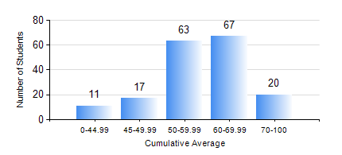
 |  |  | KWAME NKRUMAH UNIVERSITY OF SCIENCE AND TECHNOLOGY, KUMASI Department of Mechanical Engineering

 |  |  | BSC. MECHANICAL ENG.

 |  |  | COMPREHENSIVE RECORD OF EXAMINATION RESULTS

 |  |  | RESULTS OF YEAR 2 SECOND SEMESTER, 2018/2019 ACADEMIC YEAR

 | Sn | Course Code |  | Course Name | Credit Hours | Min. Mark | Max. Mark | Avg. Mark | Std. Dev. | No. Passed | No. Trailed | No. (Df) | No. (I) | No. (I*) | No. Tagged(I,I*,Df) | Total
 | 0. |  |  |  |  |  |  | 0 | 0 | 0 | 0 | 0 | 0 | 0 | 0 | 18
 | 1. | ENGL 264 |  | LITERATURE IN ENGLISH II | 1 | 51 | 76 | 67 | 4.73 | 160 | 0 | 0 | 0 | 0 | 0 | 160
 | 2. | MATH 252 |  | CALCULUS WITH SEVERAL VARIABLES | 4 | 15 | 97 | 58 | 16.31 | 151 | 9 | 0 | 0 | 0 | 0 | 160
 | 3. | ME 252 |  | FLUID DYNAMICS I | 2 | 12 | 87 | 48 | 16.74 | 130 | 30 | 0 | 0 | 0 | 0 | 160
 | 4. | ME 264 |  | MECHANISMS SYNTHESIS AND ANALYSIS I | 3 | 13 | 93 | 55 | 17.73 | 134 | 24 | 0 | 2 | 0 | 2 | 160
 | 5. | ME 266 |  | THERMODYNAMICS I | 2 | 33 | 99 | 69 | 12.56 | 158 | 2 | 0 | 0 | 0 | 0 | 160
 | 6. | ME 270 |  | MANUFACTURING TECHNOLOGY | 3 | 40 | 92 | 70 | 12.97 | 160 | 0 | 0 | 0 | 0 | 0 | 160
 | 7. | ME 274 |  | SECOND YEAR DESIGN PROJECT | 2 | 0 | 90 | 50 | 15.47 | 145 | 15 | 0 | 0 | 0 | 0 | 160
 | 8. | ME 296 |  | MECHANICAL ENGINEERING LAB. II | 1 | 43 | 83 | 72 | 7.18 | 160 | 0 | 0 | 0 | 0 | 0 | 160

